iSeries
DATE: | 2025-02-28 |  |  | iSeries System Outage Agenda
Start | End |  | Steps | Activity | Sys | Sys | Sys | Sys | Notes
 |  |  |  | CM-14792, ISERIES-840 | INFO | INFO | INFO | INFO

 |  |  |  | Friday - 02/28/2024 -- Role Swap DEVAColo - OS .7.5 back to DEVATemple - OS. 7.5
6:32:00 |  | Mary | 1 | Logon to Teams Meeting
 |  | Mary | 2 | RUN ETS50021 to enable SYSMGMT |  |  | DEVAC
 |  | Mary | 3 | Signon to CONSOLE as SYSMGMT to DEVA/Colo Then go to Opt. 10 on screen. |  |  | DEVAC |  | 10.7.1.130
 | DNS | Mary | 4 | https://olamvssprod.mclaneco.com |  |  | DEVAC |  | ipconfig /flushdns
 | DNS | Mary | 5 | Select Template Needed Change DNS: DEVA to point from 10.7.1.161 to 10.7.1.231 |  |  | DEVAC
 | DNS | Mary | 6 | Test ping after DNS chgs: DEVA; DEVA.APPN.SNA.IBM.COM |  |  | DEVAC
 |  |  | 7 | End Goldengate
6:35:00 |  | MLENGBR2 | 8 | Logon to DEVA>Addlible goldengate> ggsci > stop manager 'y' |  |  | DEVAC
 |  | MLENGBR2 | 9 | Run Robot Job > ETS95040 - stopAll |  |  | DEVAC
 |  | MLENGBR2 | 10 | ENDSBS SBS(GOLDENGATE) OPTION(*IMMED) |  |  | DEVAC
 |  | SYSMGMT | 11 | END LEVEL 3
6:40:00 |  | SYSMGMT | 12 | End level 3 on DEVA/colo (Option 3) (Wail until IPL_PRCS completes) WRKACTJOB SBS(QCTL) |  |  | DEVAC |  | SYSMGMT
 |  | SYSMGMT | 13 | orderpost, dcl511sbs, tserver, rbtsleeper |  |  | DEVAC
 |  | QSECOFR | 14 | Start Role Swap from DEVACCarrollton to DEVA/T-P10 Temple
 |  | QSECOFR | 15 | Logoff and back on to CONSOLE as QSECOFR DEVACCarrollton |  |  | DEVAC |  | 10.7.1.130
 |  | QSECOFR | 16 | WRKCLU |  |  | DEVAC
 |  | QSECOFR | 17 | Run CHKDUPLIBS IASP(DAHAIASP) |  |  | DEVAC |  | addlible qzrdpwrha/qzrdhasm
 |  | QSECOFR | 18 | QSYS/WRKASPJOB *end all jobs |  |  | DEVAC |  | Verify that all SUBSYSTEMS HAVE ENDED IN LEVEL 3
 |  | QSECOFR | 19 | Take Option 9 - Verify DEVADEVCRG Resource Group is Active and Primary Node is Correct |  |  | DEVAC |  | Went to Switch pending/logged me off/does varyoff iasp on source and starts iasp on target/goes from switch pending to active
 |  | QSECOFR | 20 | Option 6 |  |  | DEVAC
 |  | QSECOFR | 21 | Option 6 |  |  | DEVAC
 |  | QSECOFR | 22 |  |  |  | DEVAC
 |  | QSECOFR | 23 | Take Option 10 - Verify ASP Copy> Take Option 25 on DEVAHA, make sure Asp Copy is Correct |  |  | DEVAC
 |  | QSECOFR | 24 |  |  |  | DEVAC
 |  | QSECOFR | 25 |  |  |  | DEVAC
 |  | QSECOFR | 26 | qbatch has to be active….start sbs qbatch in library qsys on all 4 nodes |  | DEVAT | DEVAC
 |  | QSECOFR | 27 | Take Option 9 > Take Option 3=Change primary> DEVADEVCRG |  |  | DEVAC
 |  | QSECOFR | 28 |  |  |  | DEVAC
 |  | QSECOFR | 29 | 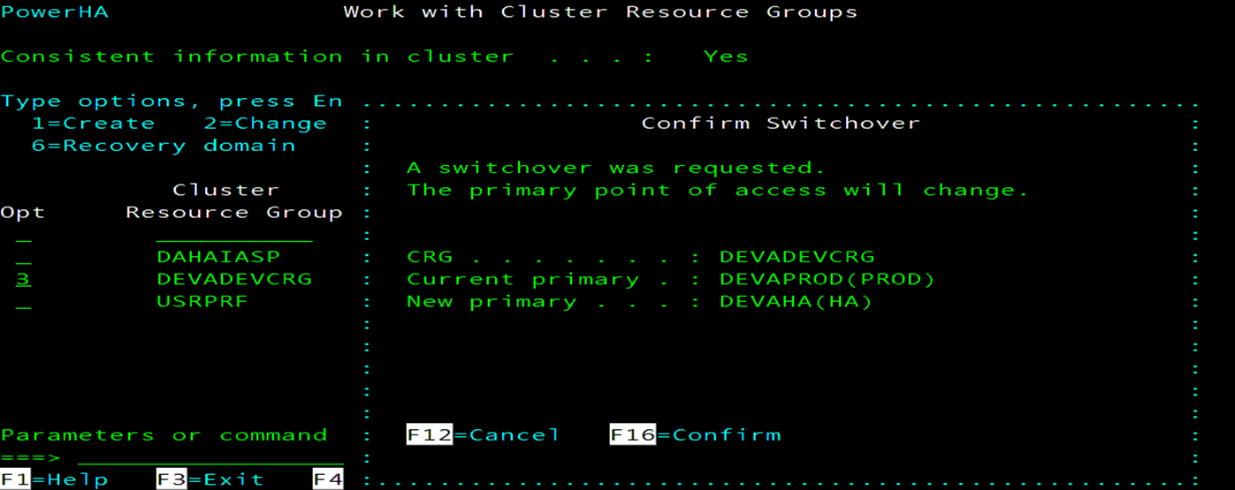 |  |  | DEVAC
6:52:00 |  | QSECOFR | 30 |  |  |  | DEVAC
 |  | QSECOFR | 31 | 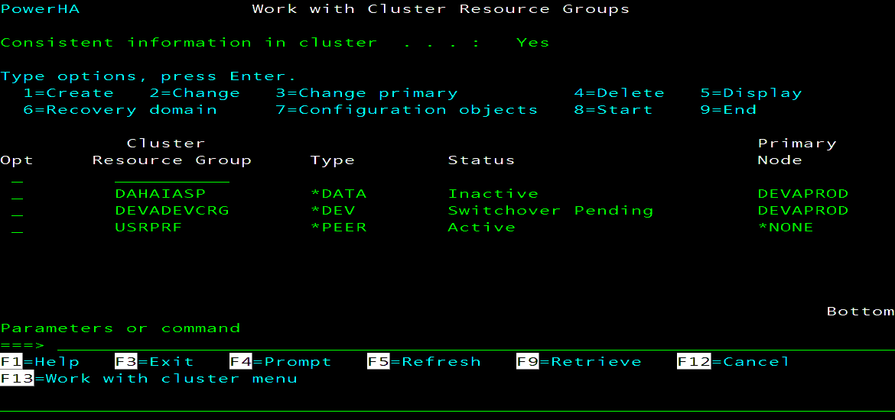 |  |  | DEVAC |  | logs me off
 |  | QSECOFR | 32 |  |  |  | DEVAC |  | fixes it's self
 |  | QSECOFR | 33 | QSYSWRK |  |  | DEVAC |  | Job ends once it has vary off the iasp
 |  | QSECOFR | 34 | Start another session to DEVAColo to monitor: ASP State will go to VARYOFF |  |  | DEVAC |  | 3:10 mins to varyoff
 |  | QSECOFR | 35 | Signon to CONSOLE as QSECOFR on DEVAT Temple to Monitor: ASP State will go to AVAILABLE |  | DEVAT |  |  | 10.7.1.180
 |  | QSECOFR | 36 |  |  | DEVAT
 |  | FS7300 | 37 | Verify Direction of Replication has been switch |  |  |  |  | 1:23 mins to varyon
 | 7:06:00 | FS7300 | 38 |  |  |  |  |  | 10.7.1.132/182
 |  | SYSMGMT | 39 | Verify Cluster that all 4 nodes are active |  | DEVAT | DEVAC
 |  | SYSMGMT | 40 | PREP - 3rd party software on DEVAT - Temple
 |  | SYSMGMT | 41 | Login as SYSMGMT |  | DEVAT
 | A | SYSMGMT | 42 | Apply Spyview Key |  | DEVAT
7:07:00 |  | Mary | 43 | STRSPY>F21 |  | DEVAT
 |  | Mary | 44 | CLRPFM FILE(SPYVIEW/MFKYLIC) |  | DEVAT |  |  | SN# 7858201
 |  | Mary | 45 | CLRPFM FILE(SPYVIEW/MFKYMST) |  | DEVAT
 |  | Mary | 46 | F12>Option 7> D259D0E7699C670F2A05A6F6EFF74106 |  | DEVAT |  |  | LPAR NUMBER: 002
 |  | Mary | 47 | 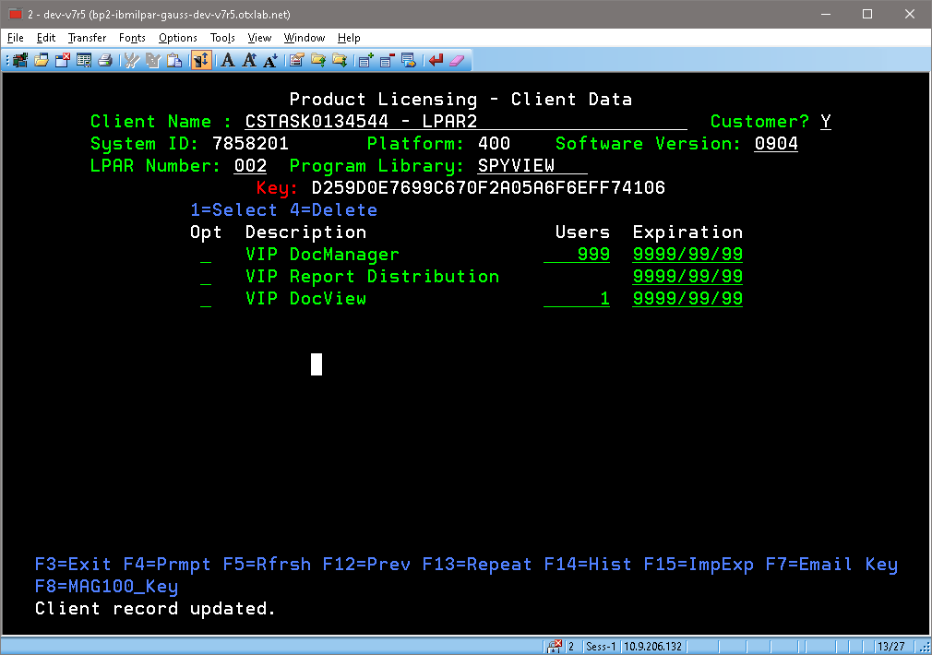 Select Products and apply Users and Demo Date |  | DEVAT |  |  | 
 |  | SYSMGMT | 48 | START SPYVIEW PRINT DISTRIBUTION |  | DEVAT
 |  | SYSMGMT | 49 | CALL PRDETSSRC/STRDSTLIS4 starts 335 jobs in jobq SPYGLSDST |  | DEVAT |  |  | SYSMGMT
 |  | SYSMGMT | 50 | STRMON if needed |  | DEVAT
 | OS ISSUE | SYSMGMT |  | 1. QPMLPMGT/QSYS change *public from *exclude to *use ----- SPYVIEW needs this
 | B | SYSMGMT | 51 | KEY - Apply Turnover Key |  | DEVAT |  |  | need to apply
7:10:00 |  | SYSMGMT | 52 | IFS/IASP KEY: /home/unicom/licenses/* TN4 ******REPLICATES |  | DEVAT |  |  | SN# 7858201
 |  | SYSMGMT | 53 | 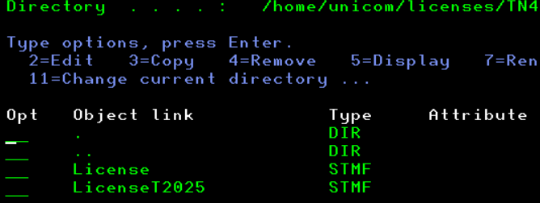 'RENAME License to LicenseC2025 and LicenseT2025 to License |  | DEVAT
 |  | SYSMGMT | 54 | 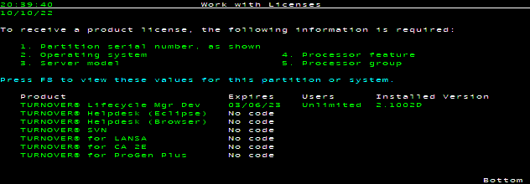 TWRKLIC |  | DEVAT |  |  | LPAR 002
 |  | SYSMGMT | 55 | STRSBS AMSCONFIG/TSERVER if not started |  | DEVAT
 |  | MLENGBR2 | 56 | Option 11>Option 1>2=change DEVA>Change Serial number to *LOCAL and Press Enter |  | DEVAT |  |  | logon as mlengbr2-SN# 7858201
 |  | MLENGBR2 | 57 |  |  | DEVAT |  |  | before
 |  | MLENGBR2 | 58 | 400-42A-7858201 |  | DEVAT
 | C | Mary | 59 | KEY - Verify DSI Key ****************** 90 Days * get screen shots for perm codes |  | DEVAT |  |  | Logon to Verify
 |  | Mary | 60 | DLTOBJ OBJ(DCL511DTA/DSIPROTECT) OBJTYPE(*DTAARA) |  | DEVAT |  |  | Key by SN# - SVC_DCLINK
 |  | Mary | 61 | CRTDTAARA DTAARA(DCL511DTA/DSIPROTECT) TYPE(*CHAR) LEN(24) VALUE(X'C1E935EDACCF9B5D14DBE418D19A7E5CC4DDD2CC383A813A') |  | DEVAT |  |  | NO SPACES!!!!key not needed for DSI to run. It's use for SVC_DCLINK interface 13
 | D | Mary | 62 | KEY - INIT and APPLY JDE KEYS - JDE World/ dspjdelvl/97 A7.3 cum 7 |  | DEVAT
 |  | SYSMGMT | 63 | https://licensecodes.oracle.com/cgi-bin/keygen.pl https://www.oracle.com/support/license-codes/jd-edwards-world.html |  | DEVAT |  |  | SAME KEY AS BEFORE BY SERIAL NO
 |  | SYSMGMT | 64 | Logon as SYSMGMT |  | DEVAT |  |  | SN# 7858201
7:15:00 |  | SYSMGMT | 65 | CHGDTAARA DTAARA(JDFOBJA73/QJDF (496 17)) VALUE(‘060139RPGHDB00701’) |  | DEVAT |  |  | SAME KEY AS BEFORE/BY SN# will be same for prode
 |  | SYSMGMT | 66 |  |  | DEVAT
 |  | SYSMGMT | 67 | DSPDTAARA JDFOBJA73/QJDF for Verification |  | DEVAT
 |  | SYSMGMT | 68 |  |  |  | DEVAC |  | Screen Shot of DEVA KEY B/4 ROLE SWAP
 |  | SYSMGMT | 69 |  |  | DEVAT |  |  | Screen shot of DEVA KEY Aft ROLE SWAP
 |  | QSECOFR | 70 | Logon as QSECOFR |  | DEVAT
 |  | QSECOFR | 71 | SETASPGRP ASPGRP(DAHAIASP) |  | DEVAT
 |  | QSECOFR | 72 | Have to KEY Each on at a Time!!! |  | DEVAT
 |  | QSECOFR | 73 | WRKOBJLCK OBJ(QGPL/JDE_IDX_1) OBJTYPE(*USRIDX) |  | DEVAT
 |  | QSECOFR | 74 | WRKOBJLCK OBJ(QGPL/JDE_IDX_2) OBJTYPE(*USRIDX) |  | DEVAT
 |  | QSECOFR | 75 | WRKOBJLCK OBJ(QGPL/JDE_IDX_3) OBJTYPE(*USRIDX) |  | DEVAT
 |  | QSECOFR | 76 | WRKOBJLCK OBJ(QGPL/JDE_IDX_4) OBJTYPE(*USRIDX) |  | DEVAT
 |  | QSECOFR | 77 | WRKOBJ OBJ(QGPL/JDE*) OBJTYPE(*USRIDX) |  | DEVAT
 |  | QSECOFR | 78 | DELETE 1-4 ONLY! |  | DEVAT
 |  | QSECOFR | 79 | SBMJOB CMD(CALL PGM(JDFOBJA73/J98802JQ)) JOBQ(QUSRSYS/QCTL1) INLLIBL(QTEMP JDFOBJA73 PRDCOMA73 PRDDATA73 SECUREA73 QGPL) LOG(0 99 *SECLVL) |  | DEVAT |  |  | CALL QCMD AND PASTE and PAST NEXT
 |  | QSECOFR | 80 | WRKOBJ OBJ(QGPL/JDE*) OBJTYPE(*USRIDX) |  | DEVAT |  |  | Rebuilds 1-4
 |  | DXRECOV | 81 | Signoff and Log Back : as DXRECOV/march1 |  | DEVAT
 |  | DXRECOV | 82 | G90>OPTION 5>F2>CALL J99LSF#> I > 00 > Press Enter> C > 00 > Apply new Install Key Matrix and Press Enter |  | DEVAT
 |  | DXRECOV | 83 | System 00 Install Key L123M12345NO27 |  | DEVAT |  |  | Screen Shot Prior to Role Swap
 |  | DXRECOV | 84 | Go CSEC Menu> Take Option 2 > Alpha Name.. A>Press Enter>> Option 2 for Verification>I > PAGE DOWN |  | DEVAT
 |  | DXRECOV | 85 | G94>14>F6 to Verify Software Secuirty Code |  | DEVAT |  |  | changed/1/4/1 from 3 to blank (first line)
 | E | MLENGBR2 | 86 | Robot Schedule Changes due to Different System names (completion history) |  | DEVAT |  |  | logon as mlengbr2
 |  | MLENGBR2 | 87 | RBTSYSLIB/RSLSHUTDWN |  | DEVAT |  |  | Bring down RBTSLEEPER Subsystem by running
 |  | SKIP | 88 | RSLCHGSYSN BEFORE(DEVA) AFTER(DEVA) PRODUCT(ROBOT) |  | DEVAT |  |  | same system name
7:20:00 |  | MLENGBR2 | 89 | RSLSETOID PRC(RBT) |  | DEVAT
 |  | NOT NEEDED | 90 | APPLY ROBOT SCHDULE KEY: IF NEEDED |  | DEVAT |  |  | Schedule is in the IASP
 |  | MLENGBR2 | 91 | STRSBS SBSD(RBTSYSLIB/RBTSLEEPER) |  | DEVAT |  |  | changed/1/4/1 from 3 to blank 'Delay Robot startup in minutes'
 | KEY/SYSBAS |  | 92 | Verify Formsprint |  | DEVAT | MY ID |  | KEYS are IN ICSPROG/SYSBAS
 | CAN SKIP | MLENGBR2 | 93 | Check Formsprint #3 (otherwise, do F16>3>Verify 3 CALL ICSPROG/FMSTCTLA |  | DEVAT |  |  | CALL ICSPROG/LICENSE
 |  | MLENGBR2 | 94 | MISC |  | DEVAT
 |  | MLENGBR2 | 94 | Verify that all subsystem are Active see Tab |  | DEVAT
 |  | MLENGBR2 | 95 | Verify all tcp servers and host servers are active that should be |  | DEVAT
 |  | MLENGBR2 | 96 | Host Table Changes for Proda |  | PA |  |  | F15 Postion To
 |  | MLENGBR2 | 97 | RMVTCPHTE INTNETADR('10.7.1.231') |  | PA
 |  | MLENGBR2 | 98 | RMVTCPHTE INTNETADR('10.7.1.161') |  | PA
 |  | MLENGBR2 | 99 | ADDTCPHTE INTNETADR('10.7.1.231') HOSTNAME((DEVA) (DEVA.APPN.SNA.IBM.COM) (WWDEVA.APPN.SNA.IBM.COM) (MXLDEVA) (VDEVA) (XMXLDEVA)) |  | PA
 |  | MLENGBR2 | 100 | ADDTCPHTE INTNETADR('10.7.1.161') HOSTNAME(BRMSDEVA) |  | PA
 |  | MLENGBR2 | 101 | Host Table Changes for Prode | PE |  |  |  | F15 Postion To
 |  | MLENGBR2 | 102 | RMVTCPHTE INTNETADR('10.7.1.231') | PE
 |  | MLENGBR2 | 103 | RMVTCPHTE INTNETADR('10.7.1.161') | PE
 |  | MLENGBR2 | 104 | ADDTCPHTE INTNETADR('10.7.1.231') HOSTNAME((DEVA) (DEVA.APPN.SNA.IBM.COM) (WWDEVA.APPN.SNA.IBM.COM) (MXLDEVA) (VDEVA) (XMXLDEVA)) | PE
 |  | MLENGBR2 | 105 | ADDTCPHTE INTNETADR('10.7.1.161') HOSTNAME(BRMSDEVA) | PE
 |  | MLENGBR2/SYSMGMT | 101 | Host Table Changes for DEVAT |  | DEVAT |  |  | F15 Position To
 |  | MLENGBR2/SYSMGMT | 102 | RMVTCPHTE INTNETADR('10.7.1.231') |  | DEVAT
 |  | MLENGBR2/SYSMGMT | 103 | RMVTCPHTE INTNETADR('10.7.1.161') |  | DEVAT
 |  | MLENGBR2/SYSMGMT | 104 | ADDTCPHTE INTNETADR('10.7.1.231') HOSTNAME((DEVA) (DEVA.APPN.SNA.IBM.COM) (MXLDEVA)) |  | DEVAT
 |  | MLENGBR2/SYSMGMT | 105 | ADDTCPHTE INTNETADR('10.7.1.161') HOSTNAME(BRMSDEVA) |  | DEVAT
 |  | MLENGBR2/SYSMGMT | 106 | Host Table Changes for DEVAC |  |  | DEVAC |  | F15 Position To
 |  | MLENGBR2/SYSMGMT | 107 | RMVTCPHTE INTNETADR('10.7.1.231') |  |  | DEVAC
 |  | MLENGBR2/SYSMGMT | 108 | RMVTCPHTE INTNETADR('10.7.1.161') |  |  | DEVAC
 |  | MLENGBR2/SYSMGMT | 109 | ADDTCPHTE INTNETADR('10.7.1.231') HOSTNAME((DEVA) (DEVA.APPN.SNA.IBM.COM) (MXLDEVA)) |  |  | DEVAC
 |  | MLENGBR2/SYSMGMT | 110 | ADDTCPHTE INTNETADR('10.7.1.161') HOSTNAME(BRMSDEVA) |  |  | DEVAC
 |  | MLENGBR2/SYSMGMT | 106 | Host Table Changes for PRODDSS |  | DSST |  |  | F15 Position To
 |  | MLENGBR2/SYSMGMT | 107 | RMVTCPHTE INTNETADR('10.7.1.231') |  | DSST
 |  | MLENGBR2/SYSMGMT | 108 | RMVTCPHTE INTNETADR('10.7.1.161') |  | DSST
 |  | MLENGBR2/SYSMGMT | 109 | ADDTCPHTE INTNETADR('10.7.1.231') HOSTNAME((DEVA) (DEVA.APPN.SNA.IBM.COM) (WWDEVA.APPN.SNA.IBM.COM) (DEVAL)) |  | DSST
 |  | MLENGBR2/SYSMGMT | 110 | ADDTCPHTE INTNETADR('10.7.1.161') HOSTNAME(BRMSDEVA) |  | DSST
 |  | MLENGBR2/SYSMGMT | 111 | Host Table Changes for PRODDSSC |  |  | DSSC |  | F15 Position To
 |  | MLENGBR2/SYSMGMT | 112 | RMVTCPHTE INTNETADR('10.7.1.231') |  |  | DSSC
 |  | MLENGBR2/SYSMGMT | 113 | RMVTCPHTE INTNETADR('10.7.1.161') |  |  | DSSC
 |  | MLENGBR2/SYSMGMT | 114 | ADDTCPHTE INTNETADR('10.7.1.231') HOSTNAME((DEVA) (DEVA.APPN.SNA.IBM.COM) (WWDEVA.APPN.SNA.IBM.COM) (DEVAL)) |  |  | DSSC
 | 7:28:00 | MLENGBR2/SYSMGMT | 115 | ADDTCPHTE INTNETADR('10.7.1.161') HOSTNAME(BRMSDEVA) |  |  | DSSC
 | E | SYSMGMT | 111 | KEY - Fastfax Using the same Environment # & DNS
 |  | SYSMGMT | 112 | ENDTCPSVR *NETSVR |  | DEVAT | DEVAC
 |  | SYSMGMT | 113 | SUBSYSTEM NEEDS TO BE DOWN: FASTFAXLC/FASTFAXL |  | DEVAT |  |  | SYSMGMT
 |  | SYSMGMT | 114 | IBMi Net Server & ODBC should be ACTIVE |  | DEVAT |  |  | STRHOSTSVR STRTCPSVR
 |  | SYSMGMT | 115 | CHGCURLIB FASTFAXL |  | DEVAT
 |  | SYSMGMT | 116 | DSPDTAARA FASTFAXL/DTAPTF |  | DEVAT
 |  | SYSMGMT | 116 |  |  | DEVAT
 |  | SYSMGMT | 117 | STRSQL--, increase the “900000098” by one digit (900000099, 900000100, etc) until the code gets applied |  | DEVAT |  |  | LPAR2
 |  | SYSMGMT | 118 | INSERT INTO fastfaxl/FFXLDV (FDVPID, FDVPNB, FDVTP1, FDVTP2, FDVSEQ, FDVFNM, FDVFVL, FDVFF1, FDVFF2, FDVFF3) VALUES(0, 0, 900000001, 900000098, 1, 'I2_8201.QSP', '011ed171f8f2f0f1d0c4d8d337579715b39f0737579715131f0737509417', '', '', '') |  | DEVAT |  |  | IBMi #7858201 partition 2
 |  | SYSMGMT | 119 | UPDATE FASTFAXL/FFXLDE SET FLEASN=’DEVAN’ where FLEEID = 1 |  | DEVAT |  |  | TO UPDATE THE NETSERVER NAME - Subsystem will NOT stay up if Wrong
 |  | SYSMGMT |  | STRTCPSVR *NETSVR |  | DEVAT
 |  | ISSUE |  | ODBC started on slave but not master: reboot or go to server> HKEY_CURRENT_USER>SOFTWARE>FASTFAX/Lan>environments>envid_001 change 'EnvDrive' to something else then refresh
 |  | SYSMGMT | 120 | FFXTOOLS option 87 |  | DEVAT |  |  | NetServer Name on iSeries Can you go into or FFXTOOLS option 87 & verify the NetServer name Also make sure it’s all uppercase no lower case characters & no spaces or type-o’s
 |  | SYSMGMT | 121 | At a command line verify your security code by typing: FASTFAXL/FFXSECURE |  | DEVAT
 |  | SYSMGMT | 122 | STRFFX If the security code is valid you can start FastFax by typing |  | DEVAT
 |  | SYSMGMT | 123 | FastFax should go Active once the Subsystem is started to verify type WRKFAXJOB On the Outbound Message screen press F9=Status |  | DEVAT
 |  | Mary | 124 | Turn Over to TESTERS |  | DEVAT
 |  | Mary | 125 | See Tab 1 Testers for list of Testers |  | DEVAT
 |  | SYSMGMT | 126 | Once Testing has been Approved Start Level 3 |  | DEVAT |  |  | CAN GO AHEAD AND START LEVEL 3 - NO USERS WILL BE LOGGING ON
7:37:00 |  | SYSMGMT | 127 | Start level 3 on DEVA/Temple (Opt 13) (Wail until IPL_PRCS completes) WRKACTJOB SBS(QCTL) |  | DEVAT
 |  | SYSMGMT | 128 | MISC |  | DEVAT
 |  | SYSMGMT | 129 | Do a 'DO' on ETS51000 if 'T'erminated ONLY! to start stats to Splunk |  | DEVAT
 |  | SYSMGMT | 130 | Robot Schedule: display missed jobs time frame: 06:30 date: 02/28/25 |  | DEVAT
 |  | SYSMGMT | 131 | Do a 'DO' on OPS90100 DSI |  | DEVAT
 |  | SYSMGMT | 132 | Verify that performance is running |  | DEVAT
 |  | SYSMGMT | 133 | Do a 'DO' on ETS50020 run Terminated jobs |  | DEVAT
 |  | SYSMGMT | 133 | Do a 'DO' on ETS50001 Disable APPADMIN & SYSMGMT |  | DEVAT
 |  | SYSMGMT | 134 | DO' on Robot job ETS40080 to Reset Robot Host Node for GUI monitor |  | DEVAT
 |  | DUSTIN | 135 |  |  | DEVAT |  |  | make change before Monday/VS Team
 |  | Mary | 136 | Robot Network GUI |  | DEVAT
 |  | Mary | 137 | prode>configure node> |  | DEVAT
 |  | Mary | 138 | New Stuff |  | DEVAT
 |  | Mary | 139 | Verify QNTC is connected otherwise run ETS90000 |  | DEVAT |  |  | MKDIR DIR('/QNTC/WTDSTDSIAPP01') MKDIR DIR('/QNTC/vfiler-onbase01') MKDIR DIR('/QNTC/VSERVER-DATA01')
 |  | Mary | 140 | FORMSPRT: Virtual Queue: START MANUALLY: INVOICEPDF, INVOICERPRT, FAX |  | DEVAT
 | SKIP | Mary | 141 | SBS PROCURE > ORA10300DN |  | DEVAT
 |  | Mary | 142 | Check SMTP under QSYSWRK if needed: STRMSF MSGOPT(*RESUME) NBRMSFJOB(6) |  | DEVAT
 |  | Mary | 143 | GOLDENGATE |  | DEVAT
 |  | Mary | 144 | STRSBS AMSCONFIG/GOLDENGATE |  | DEVAT
 |  | Mary | 145 | START MANAGER > ROBOT JOB 'ETS95010' |  | DEVAT
7:51:00 |  | Mary | 146 | Start All > Robot Job 'ETS95030' |  | DEVAT
 |  | Mary | 147 |  |  | DEVAT
 |  | Mary |  | QSNADS VIA EE |  | DEVAT
 |  | Mary |  | WRKCFGSTS CFGTYPE(*CTL) CFGD(*CMN) |  | DEVAT
 |  | Mary | 148 | ROBOT GUI - NETWORK |  | DEVAT
 |  |  | 149 | RBTNETNODE/RBNENDNODE |  | DEVAT
 |  |  | 150 | RSLWL |  | DEVAT
 |  |  | 151 | ROBOT NETWORK>nodeConfig.xml >>>search on Primary Shift/F4 |  | DEVAT
 |  |  | SKIP | RBTNETNODE/RBNCFGNODE HOSTIP('10.7.1.234') AHOSTIP(*NONE) |  | DEVAT
 |  |  | 152 | RBTNETNODE/RBNSTRNODE |  | DEVAT
 |  |  | 153 | IF MULTIPLE NODES IN GREY: GO TO PRODE | PE
 |  |  | 154 | RBTNETLIB/RBNDLTNODE F4 and input DEVA | PE
 |  |  |  | DONE
 |  |  |  | TOOLKIT - WRKCLU
 |  |  |  | Things:
 |  |  |  | WRKCLU OPTION 10
 |  |  |  | Toolkit is for flashing

 |  |  |  | WRKCLU OPTION 9
 |  |  |  | POWERHA/Role Swaps

 |  |  |  | WRKCLU OPTION 8
 |  |  |  | *SYSBAS/Cluster

 | DSPSYSVAL SYSVAL(QABNORMSW)
 | DSPFMWSTS
 | WRKLICINF
 | go licpgm option 10
 | CALL QSFWINV
 | DSPSFWRSC

 | turnover tab

 | Dummy turnover form--- COMPLETE |  | 245106

 | ETS51000
 |  | clean folder on all lpars prior to swaps
 |  | WRKFLR
 |  | STATDOC WRKDOC the pgm deletes these at the end of the cl.
 |  | SHOULD BE EMTPY…IT IS ON DEVAha

Keys Apply Prior
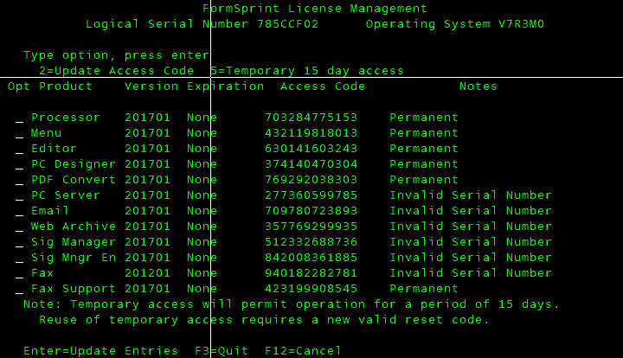
 |  |  |  |  |  |  | Spreadsheet
Abstract | sysbas | perm |  | A | Spyview |  | ready | Vertex | no keys
Esend | sysbas | perm |  | B | Turnover | perm | ready/rename | PcMiler | no keys
Robot CONSOLE | sysbas | perm | deva-T&C | C | DSI | 90 days | ready | QMGTOOLS | no keys
Robot Alert | sysbas | perm | deva-T&C | D | JDE |  | ready | RDI | no keys
Robot Schedule | IASP | perm | deva-T&C | E | Fastfax | perm |  | MQ FTE | no keys
Robot Network | sysbas | perm | deva-T&C
Taatools | sysbas | perm
FormsPrint | sysbas | 15 days

1
ABSTRACT | ADDLIBLE ABSTRACT
 | APPERM
 | *FJ96D48951J5H2*Q91T3QV8T6AQ0BE4QLAPKNCV298V3427C+4TWV4K*J*1TI+PPWMTZM6MBM1

2
ESEND | ADDLIBLE ESEND
 | ESPERM
 | KGLF513084JJLHF8CSKWPCU+C0EC2YIBCZ5HA993A+*U8573N259Q151VBFT7SK44M6*MITPLIT

3
DBU | ADDLIBLE DBU11
 | DBUSEC
 | 7858201 DBU 11.0 3ABEF1 9E128C D4E801 5102_________enter (partition 2)

4
TAATOOLS | ADDLIBLE TAATOOL
 | CHGTAAKEY
 | CHGTAAKEY KEY(547399CEB851D098B4F2FA5289B362E96AF00F747255293B5124D7265286)

5 | WAIT UNTIL FRIDAY
Formsprint | ADDLIBLE ICSPROG
 | CALL ICSPROG/LICENSE
 | 5=Temporary 15 day access

